table 3
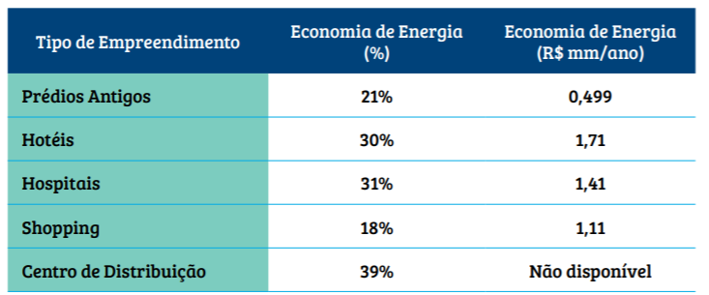
Table 3 - Benefits of implementing a retrofit (Gvces, 2017)
 |  |  | Type | Energy saved (%) | Cost saved (R$mm/year)
 |  |  | Old buildings | 21 | 0.499
 |  |  | Hotels | 30 | 1.71
 |  |  | Hospitals | 31 | 1.41
 |  |  | Shopping | 18 | 1.11
 |  |  | Distribution Center | 39 | -

This source provide an average efficiency of | 27.8 | %

exchangerate
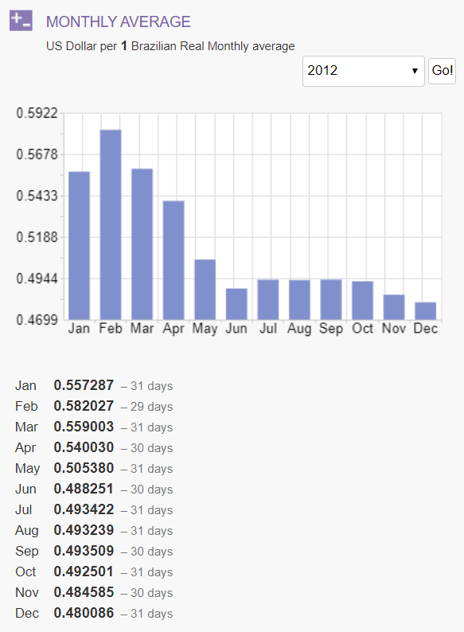
Convert R$2012 to U$2012
X-Rates Calculator

